graph
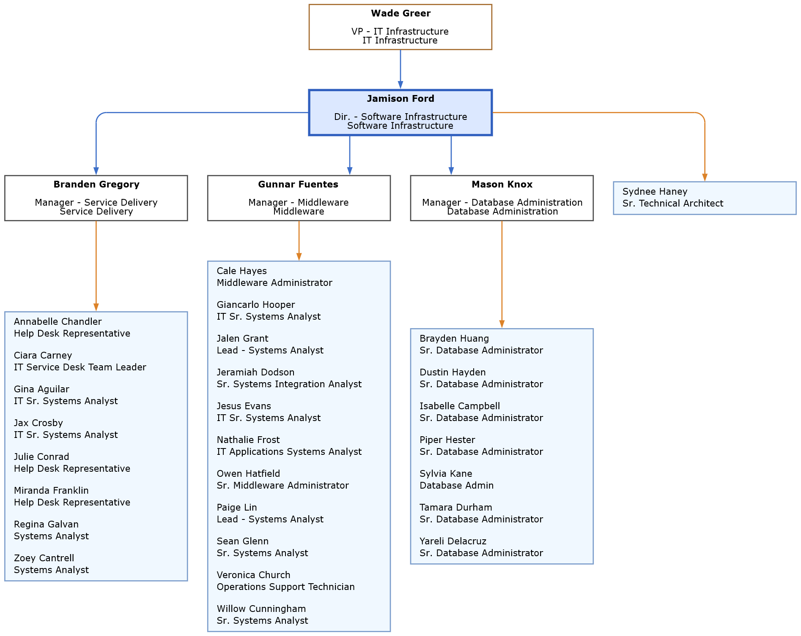

styles
Style Name | Format | Style Type | All Styles | No Clusters | No Edges
node |  | node | yes | yes | yes
edge | radius=9 weight=100 | edge | yes | yes | no
subgraph-open |  | subgraph-open | yes | no | yes | 
subgraph-close |  | subgraph-close | yes | no | yes
keyword |  | keyword | yes | yes | yes
native |  | native | yes | yes | yes
Department | shape=rectangle height="0.125" width="2.25" fillcolor="#DCE8FF" color="#2F5EBE" penwidth=2 fontname=Verdana fontsize=8 style=filled | node | yes | yes | yes
Department Above | shape=rectangle height="0.125" width="2.25" fillcolor="#FFFFFF" color="#A46A2C" fontname=Verdana fontsize=8 style=filled | node | yes | yes | yes
Department Below | shape=rectangle height="0.125" width="2.25" fillcolor="#FFFFFF" color="#4A4A4A" fontname=Verdana fontsize=8 style=filled | node | yes | yes | yes
Associate | shape=rect height="0.125" width="2.25" fillcolor="AliceBlue" color="#7A9CCB" fontname=Verdana fontsize=8 style=filled | node | yes | yes | yes
Leader to Leader | color="#3C6EC8" radius=9 arrowsize="0.5" fontname=Verdana fontsize=8 | edge | yes | yes | no
⟳
Leader to Associate | color="#333333" radius=9 arrowsize="0.5" fontname=Verdana fontsize=8 color="#DC8228" | edge | yes | yes | no

settings
Command Options
Graph Options
'Extensions' Tab
'Graphviz' Tab
'Exchange' Tab
'Source' Tab
'source' Worksheet
'data' Worksheet
'styles' Worksheet
'sql' Worksheet

Image Path:

Additional Graph Options:

"Graph to Worksheet" Picture Name:

Help Button URLs

 | 'Graphviz' Tab: | https://exceltographviz.com/create/
 | 'Style Designer' Tab: | https://exceltographviz.com/designer/
 | 'Styles' Tab: | https://exceltographviz.com/styles/
 | 'SQL' Tab: | https://exceltographviz.com/sql/
 | 'SVG' Tab: | https://exceltographviz.com/svg/
 | 'Console' Tab: | https://exceltographviz.com/console/
 | 'Launchpad' Tab: | https://exceltographviz.com/launchpad/
 | 'Source' Tab: | https://exceltographviz.com/source/
 | 'Exchange' Tab: | https://exceltographviz.com/exchange/
 | 'Diagnostics' Tab: | https://exceltographviz.com/diagnostics/
 | 'Info' Tab: | https://exceltographviz.com/info/

